DC-DC MC3x063A Step-Down Calcs
Val | Typical | Max | Units | Notes | https://www.ti.com/lit/ds/symlink/mc33063a.pdf?ts=1739571056163
VF | 0.22 | 0.60 | V | Max is @ 1 A, from diode | https://www.mouser.com/datasheet/2/1057/BAT54_SERIES-1868856.pdf
Vce | 0.45 | 0.70 | V | Vsat for non-darlington configuration | Want to reduce voltage ripple (Vpp)
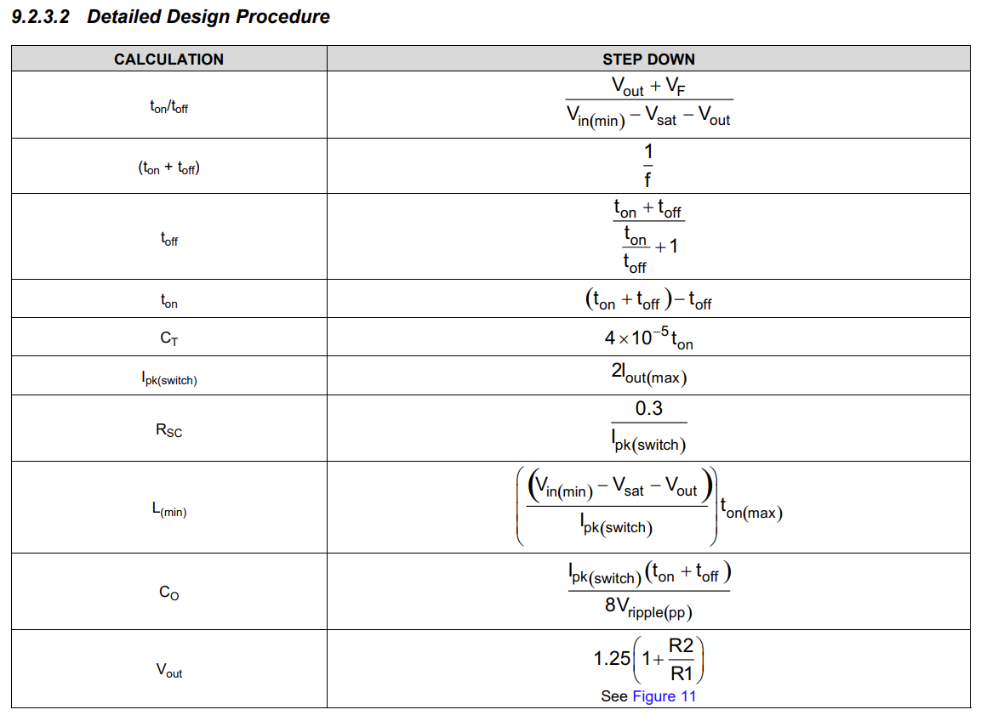
Vin | 24 |  | V | Nominal input voltage
Vout3V3 | 3.3 |  | V | Desired output voltage (in use)
Vout5V | 5 |  | V | Desired output voltage
ton/toff | 17.38% |  |  | Duty cycle (3.3V), calculated from datasheet
D3V3 | 13.75% |  |  | Theoretical duty cycle (3.3V)
D5V | 20.83% |  |  | Theoretical duty cycle (5V)
CT | 4.70E-10 |  | F | Timing capacitor (taken from app schematic)
ton | 1.17E-05 |  | s | ton=CT/(4E-5)
toff | 6.76E-05 |  | s | toff= (1/(ton/toff))*ton
Iout | 0.15 |  | A | Desired output current
Ipk | 0.3 |  | A | Ipk = 2*Iout, current-limit sense input
Co | 4.70E-04 |  | F | Desired value
Vpp | 0.0063307883523 |  | V | Resulting voltage ripple
Lmin | 7.93E-04 |  | H | Minimum inductance

Adjust Co to minimize ripple?

